American Range
American Range | Images
Free Standing Broiler | 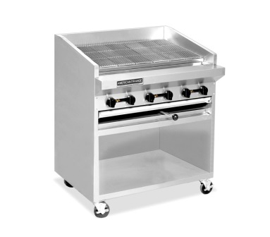
Table Top Broiler | 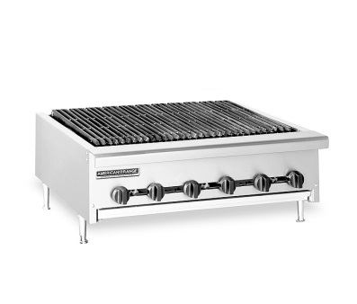
Flat Griddle | 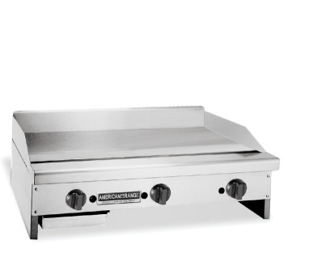
Gas Salamander | 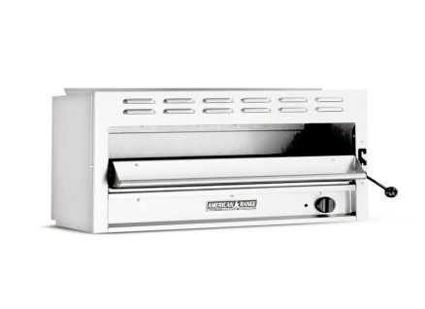
Self-Standing Fryer | 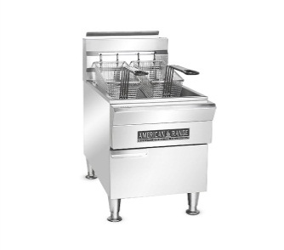
Open Top Burner With Oven | 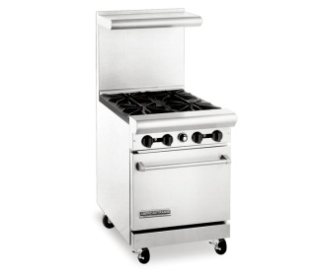
Table Top Open Top Burner | 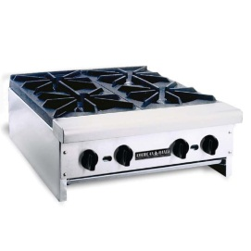
STOCK POT STOVE | 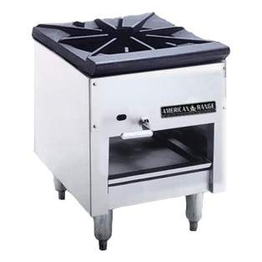

ELECTROLUX
Electrolux | Images
Boiling Pan | 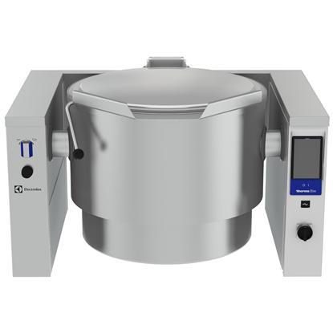
Braising Pan | 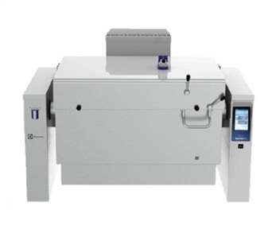
Table Top Griller
Self-Standing Griller
Table Top Fryer | 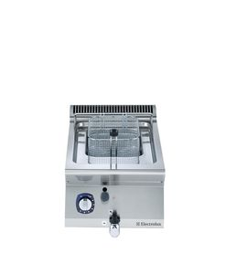
Self-Standing Fryer | 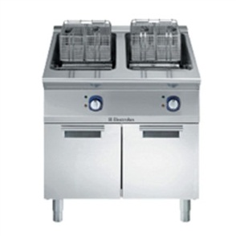
Flat Griddle | 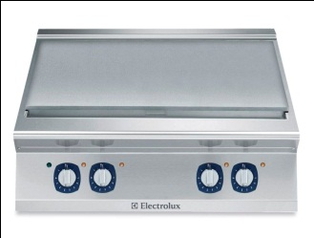
Table Top Charbroiler | 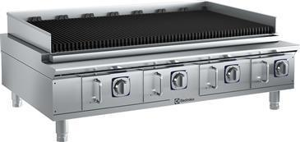
Self-Standing Char Broiler | 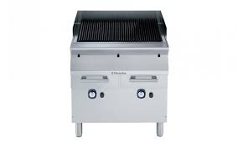
Electric Salamander | 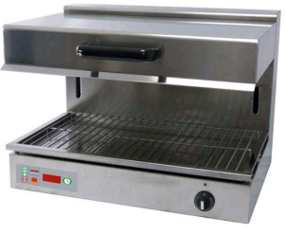
Table Top Open Top Burner | 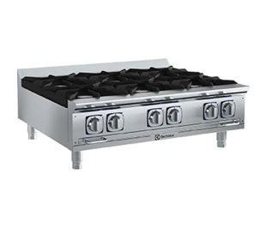
Open Top Burner With Oven

IRINOX
IRINOX | Images
MULTI FRESH BLAST CHILLERS | 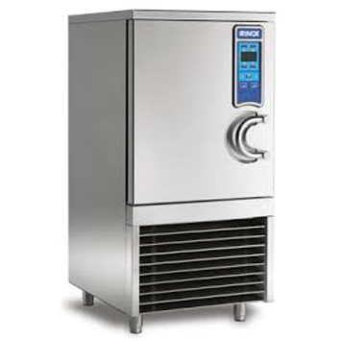
EASY FRESH BLAST CHILLER | 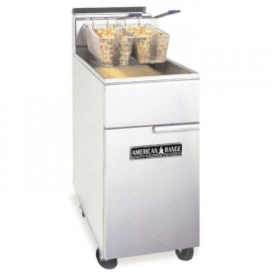 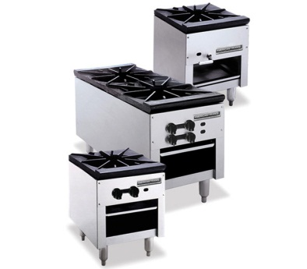
HOLDING CABINET | 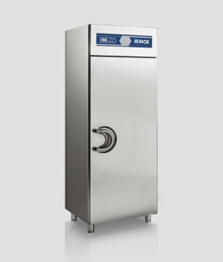

DESMON
DESMON | Images
WALK -IN CHILLER | 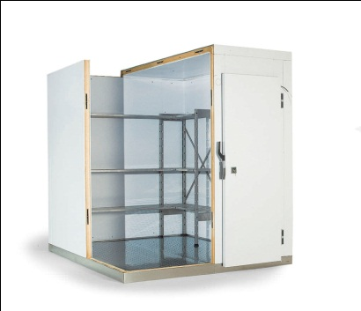 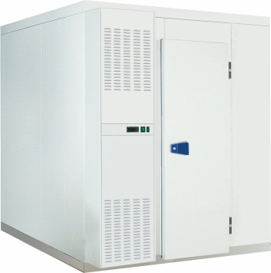

HOSHIZAKI
HOSHIZAKI | Images
SELF-CONTAINED CRESCENT ICE MAKER | 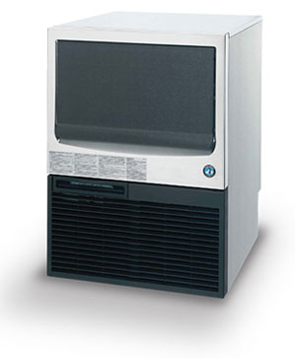
CRESCENT ICE MAKER WITH ICE BIN | 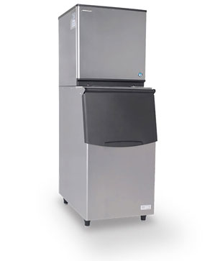
SELF-CONTAINE CUBE ICE MAKER | 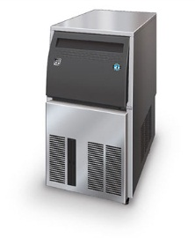
CUBE ICE MAKER WITH ICE BIN | 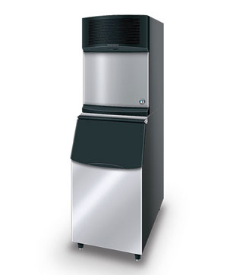
SELF-CONTAINED FLAKE ICE MAKER | 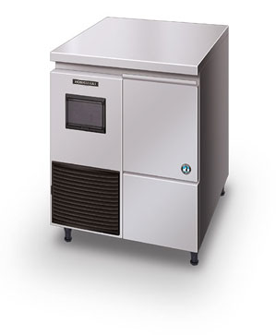
FLAKE ICE MAKER WITH ICE BIN | 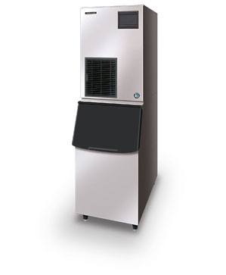

HOBART
HOBART | Images
UNDER COUNTER DISHWASHER | 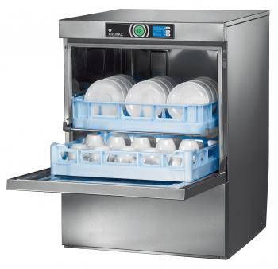
PASS-THROUGH DISHWASHER | 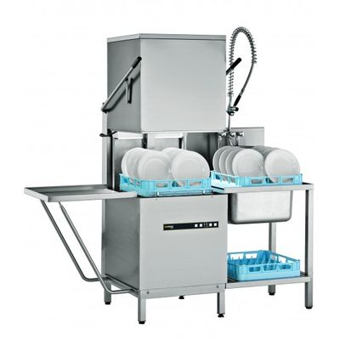
CONVEYOR DISHWASHER | 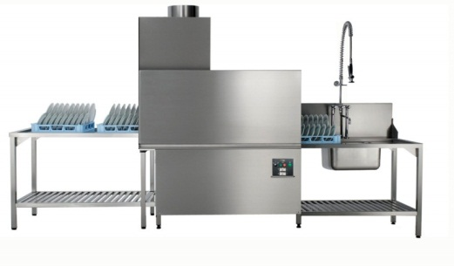
FLIGHT TYPE DISHWASHER | 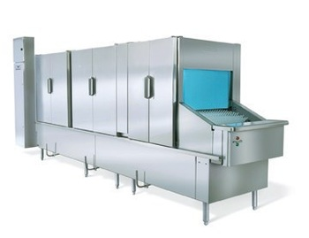
TWIN DECK DISHWASHER | 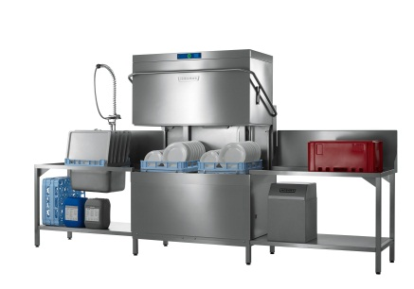
PLANETARY MIXER | 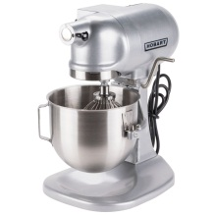
MEAT SLICER | 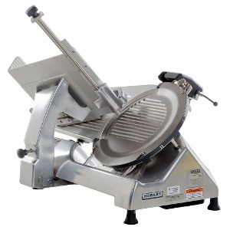
MEAT GRINDER | 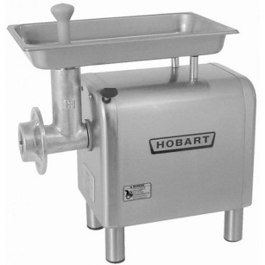
MEAT SAW

REVENT
REVENT | Images
DECK OVEN | 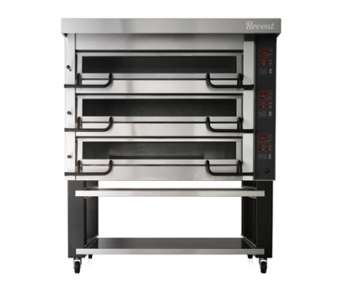
RACK OVEN
VACUUM COOLER | 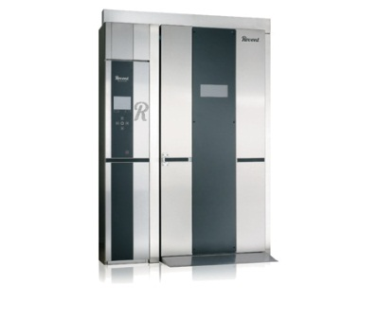

WINTERHALTER
WINTERHALTER | Images
UNDER COUNTER DISHWASHER | 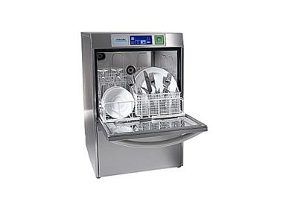
PASS-THROUGH DISHWASHER | 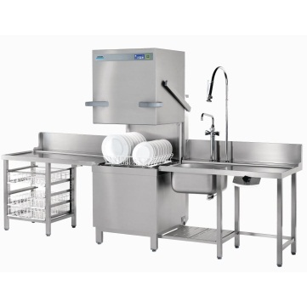
CONVEYOR DISHWASHER | 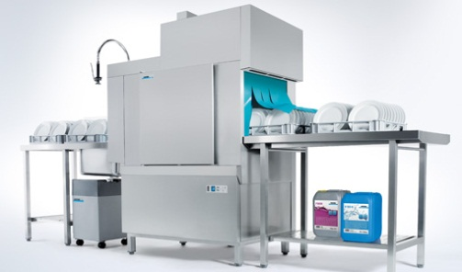

VULCAN
Vulcan | Images
Flat Griddles | 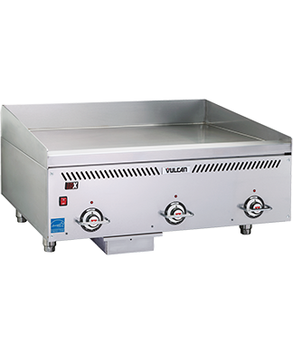
Open Top Burner With Oven | 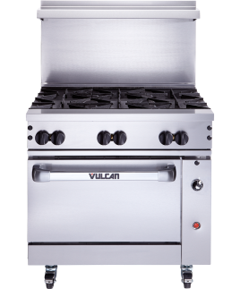
Self-Standing Deep Fat Fryer | 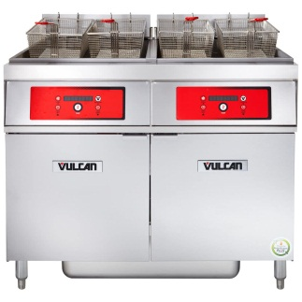
Table Top Char Broiler | 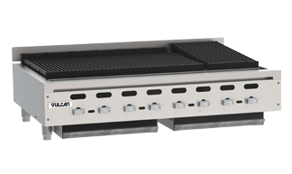
Self-Standing Char Broiler | 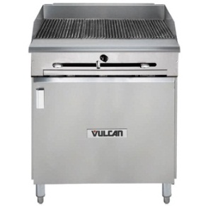
Pass Through Hot Holding Cabinet | 